1. Title Page
 | Instacart Analysis

Project Name: Instacart Grocery Basket Analysis
Date: 03/19/2025
Analyst Name: Mohammed Molla

Contents:
Population Flow
Consistency checks
Wrangling steps
Column derivations
Visualizations
Recommendations

DATA SOURCE: | The Instacart Online Grocery Shopping Dataset 2017”, Accessed from www.instacart.com/datasets/grocery-shopping-2017 via Kaggle on 03/19/2025

2. Population Flow
Title page

Population flow

Exclusion flag
Condition: max_order < 5
Obervations to be removed: 27.759,705
Final total count of order_products_all: 309,959,687

Orders_products_combined
Orders_products_merged
Orders_products_all

Total: 32,404,859
Total: 32,434,489
Total: 32,404,859

1.) The grey boxes in the first row of the population flow represent the original data sets as they were when you downloaded them. In the Total fields you need to add the count of the rows when you imported the data set into Jupyter.
2.) The second row of boxes (coloured) represents the data sets after you manipulated them, e.g., removed missing values and duplicates. In the Total fields you need to add the count of the rows after conducting these operations. This offers a visual oveview of how the data flows throughout the data consistency checks.
3.) The third row, where also the arrows are coloured, represents the merges you performed between the datasets. In the Total fields you need to add the count of the rows in the merged datasets, so that you end up with the final dataset (in the red box). Keep in mind the final dataset should be without exclusions (based on the exclusion flag).

3. Consistency checks
 |  |  |  | Title page
Consistency checks

Dataset | Missing values | Missing values treatment | Duplicates
orders | days_since_prior_order (206,209) | Created a subset and and converted the missing values on NaN. | None
products | No missing values | N/A | None
orders_products_prior | No missing values | N/A | None
customers | No missing values | N/A | None
orders_products_merged | prices' columns values '14900 & 99999) total 4877 rows | removed rows with those values as they are unrealistic | None

4. Wrangling steps
 |  |  |  |  | Title page
Wrangling steps

Data Set | Columns dropped | Columns renamed | Columns' type changed | Comment/Reason
orders.csv | ['eval_set'] |  |  | Not required for analysis
orders.csv |  | order_dow -> orders_day_of_week
orders.csv |  |  | user_id' | Changed from numeric to String dt
customers.csv |  | 'Surnam' : 'Last Name', |  | For readability
 |  | 'STATE' : 'State',
 |  | date_joined' : 'Date Joined',
 |  | n_dependants' : 'Number of dependents',
 |  | fam_status' : 'Family status',
 |  | income' : 'Income'
orders_products_merged.pkl | ['_merge'] |  |  | Not needed
 | ['exists']
 | ['match']
 | ['unnamed: 0]

5. Column derivations
 |  |  |  | Title page

Column derivations and aggregations

In this tab you should add tables below that the frequences of flags/label variables that you produced after deriving them. NB: don't do this for continuous variables, only for flags.
Dataset | New column | Column/s it was derived from | Conditions
orders_products_merged.pkl | ['price_range'] | ['price'] | ['prices'] > 15/ High-range product
 |  |  | ['prices'] <= 15 & >8 / Mid-range product
 |  |  | ['prices'] <= 8/ Low-range product
 | ['Busiest day'] | ['order_day_of_week'] | ['order_day_of_week'] ==0/ busiest day
 |  |  | ['order_day_of_week'] ==4/ least busy day
 |  |  | ELSE / regular busy
 | ['busiest_period_of_day'] | ['order_hour_of_day'] | ['order_hour_of_day'] in {9,16,12,13,14,15,11,10} /most orders
 |  |  | ['order_hour_of_day'] in {5,2,4,3}/ fewest orders
 |  |  | ELSE / average orders
ords_prods_merge_dervd.pkl | ['max_order'] | ['user_id'], ['order_number'] | groupby(['user_id'])['order_number'].transform('max')

 | ['loyalty_flag'] | ['max_order'] | ['max_order'] > 40, 'loyalty_flag'] = 'Loyal customer'
 |  |  | ['max_order'] <= 40) & (ords_prods_merge['max_order'] > 10), 'loyalty_flag'] = 'Regular customer'
 |  |  | ['max_order'] <= 10, 'loyalty_flag'] = 'New customer'

 | ['avg_price'] | ['user_id'], ['prices'] | groupby(['user_id'])['prices'].transform("mean")

 | ['spending_flag'] | ['avg_price'] | ['avg_price'] < 10, 'spending_flag'] = 'Low spender'
 |  |  | ['avg_price'] >= 10, 'spending_flag'] = 'High spender'

 | ['median_days_order'] | ['user_id'] | groupby(['user_id'])['days_since_prior_order'].transform("median")

 | ['frequency_flag'] | ['median_days_order'] | ['median_days_order'] > 20, 'frequency_flag'] = 'Non-frequent customer'
 |  |  | ['median_days_order'] > 10) &(ords_prods_merge['median_days_order'] <= 20) , 'frequency_flag'] = 'Regular customer'
 |  |  | ['median_days_order'] <= 10, 'frequency_flag'] = 'Frequent customer'

ords_prods_cust_merge.pkl | ['Region'] | ['State'] | Northeast = ['Maine', 'New Hampshire', 'Vermont', 'Massachusetts', 'Rhode Island', 'Connecticut', 'New York', 'Pennsylvania', 'New Jersey']
 |  |  | Midwest= ['Wisconsin', 'Michigan', 'Illinois', 'Indiana', 'Ohio', 'North Dakota', 'South Dakota', 'Nebraska', 'Kansas', 'Minnesota', 'Iowa', 'Missouri']
 |  |  | Southern = ['Delaware', 'Maryland', 'District of Columbia', 'Virginia', 'West Virginia', 'North Carolina', 'South Carolina', 'Georgia', 'Florida', 'Kentucky', 'Tennessee', 'Mississippi', 'Alabama', 'Oklahoma', 'Texas', 'Arkansas', 'Louisiana']
 |  |  | Western = ['Idaho', 'Montana', 'Wyoming', 'Nevada', 'Utah', 'Colorado', 'Arizona', 'New Mexico', 'Alaska','Washington', 'Oregon', 'California', 'Hawaii']

 | ['max_order'] | ['activity_flag'] | ['max_order'] < 5, 'activity_flag'] = 'Low activity customer'
 |  |  | ['max_order'] >= 5, 'activity_flag'] = 'High activity customer'

 | ['customer_profile'] | ['Age'], ['Income'] | row['Age'] <= 25 and row['Income'] <= 50000: return 'young adults w low income'
 |  |  | row['Age'] <= 25 and row['Income'] < 150000: return 'young adults w mid income'
 |  |  | row['Age'] <= 25 and row['Income'] >= 150000: return 'young adults w high income'
 |  |  | 25 < row['Age'] < 64 and row['Income'] <= 50000: return 'adults w low income'
 |  |  | 25 < row['Age'] < 64 and row['Income'] < 150000: return 'adults w mid income'
 |  |  | 25 < row['Age'] < 64 and row['Income'] >= 150000: return 'adults w high income'
 |  |  | row['Age'] >= 65 and row['Income'] <= 50000: return 'seniors w low income'
 |  |  | row['Age'] >= 65 and row['Income'] < 150000: return 'seniors w mid income'
 |  |  | row['Age'] >= 65 and row['Income'] >= 150000: return 'seniors w high income'

 | ['dependant_flag'] | Dependents | ['dependents'] = 0 , 'No dependents'
 |  |  | ['dependents'] >=1 'With dependents'

6. Visualizations
 | Title page

Visualisations

In this tab you should include all the visualtions from Exercises 4.9 and 4.10, alongside the questions from the project brief that they answer. Include any commentary on the relationship between different variables.

Please refer to Visualization folder under 04 Analysis for the visuals

7. Recommendations
 |  |  |  | Title page

Recommendations

In this tab you should include any recommendations you would made to Instcart in terms of their marketing strategy based on the questions posed in the brief. Every key question has been covered in the Tasks of the Exercises - here you need to add an item - a visualization or table/crossable that is showing the answer in the data, accompanied by a comment from you. Please, list the questions below and add the answer underneath.

Question | Answer | Comments | Recommendations
what the busiest days of the week and hours of the day?
 | 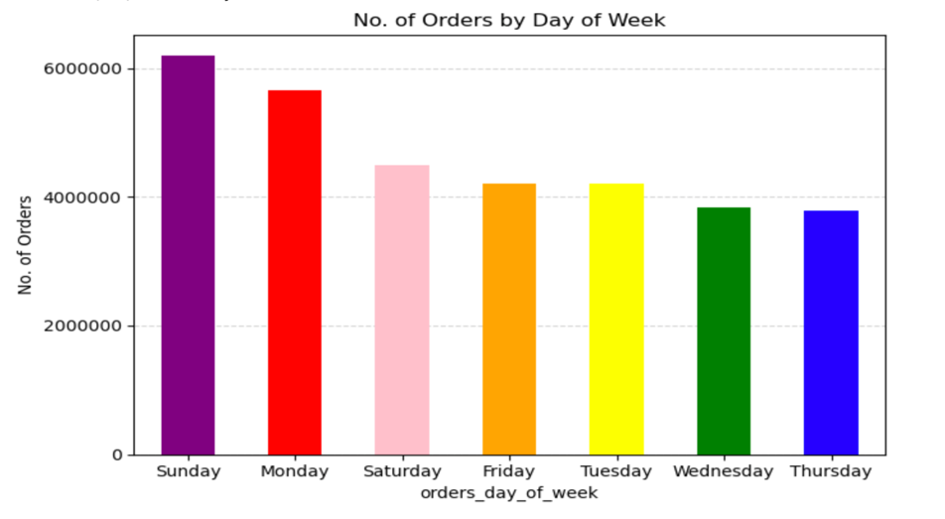 | - The busiest days are Sunday, Monday and Saturday - The busiest hours are between 8 am - 4pm | - Knowing the busiest days and hours can help us prepare for any unexpected circumstances due to high volume of transactions, such as low inventory, server capacity and customer service demands. - Also, we have identifies the slowest days being Wednesday and Thursday. We can offer special promotion and discounts on products to increase product sales on slower days.
 | 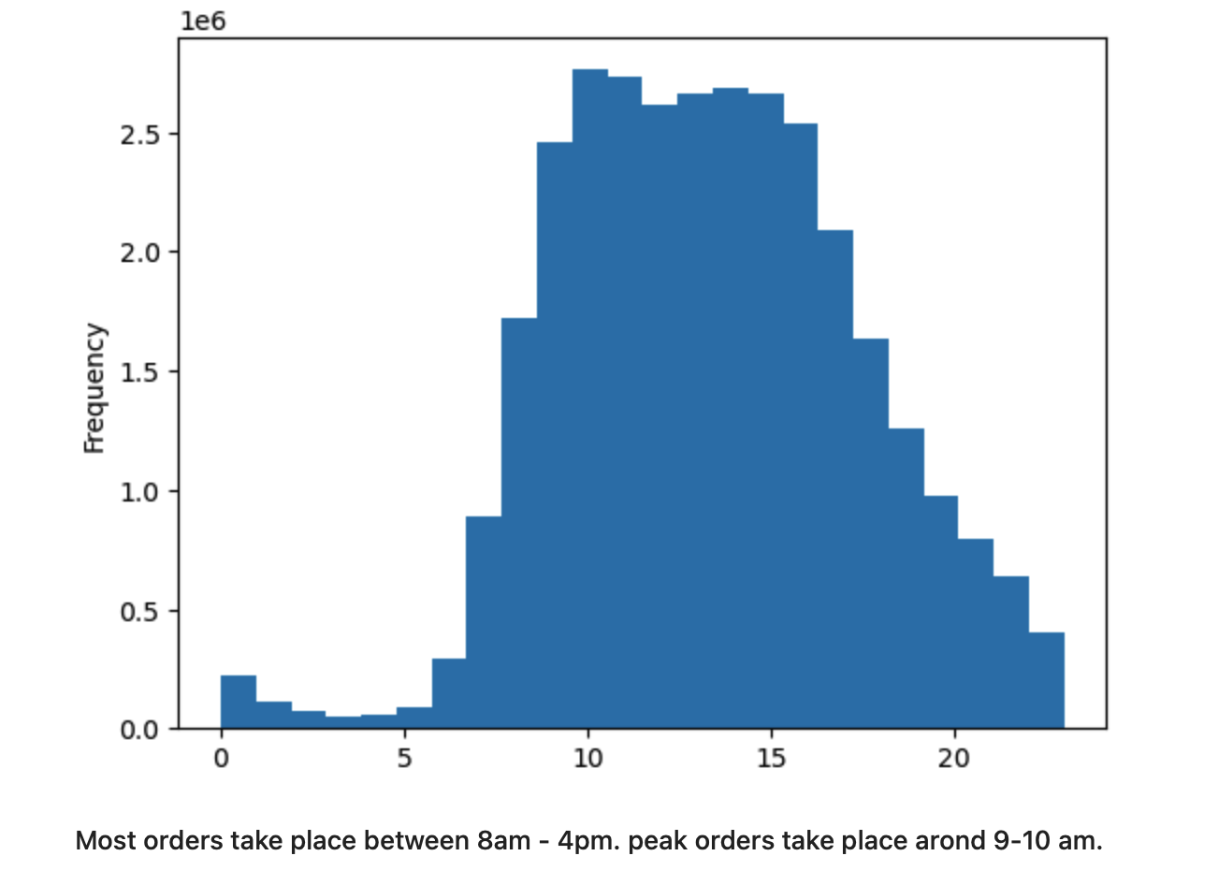
Apply price range groupings to help direct marketing sales efforts. How is the distribution of our product price range? | 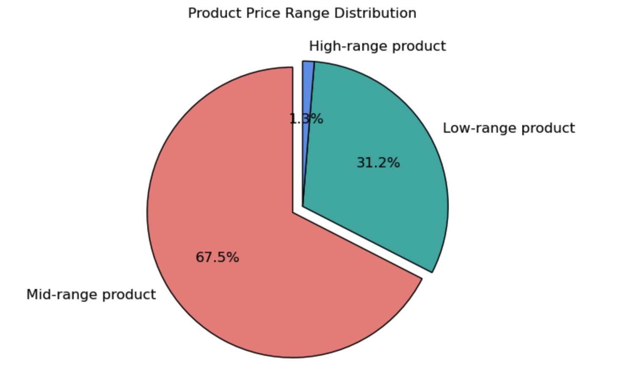 | Items price ranging from $5-15 (Mid-range product) account for 67.5%. | We should continue to maintain our inventory of both low and mid range products to continue strong sales.
Are there certain types of products that are more popular than others? | 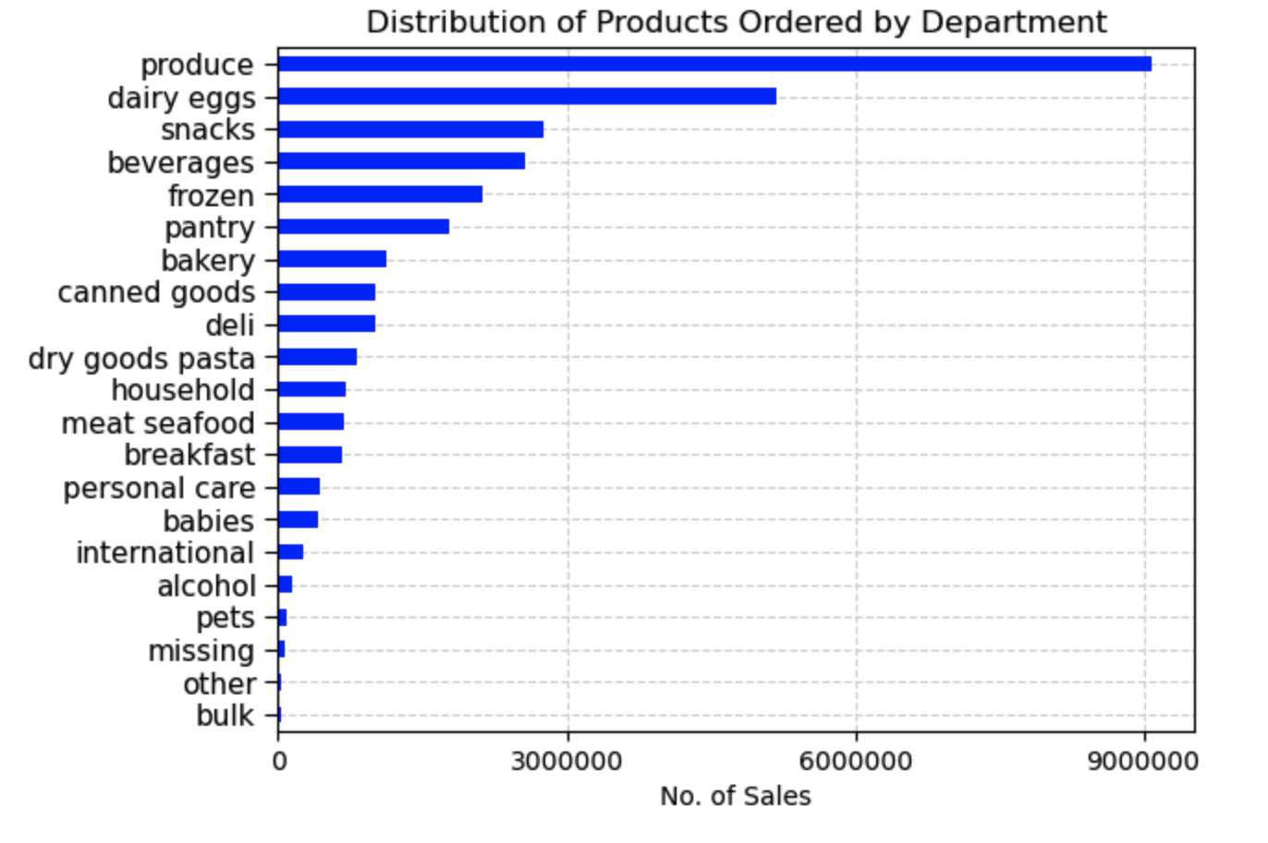 | - Produce and dairy eggs lead the way in sales figures. They are also top purchased categories among the identified customers . | - Continue to maintain inventory of produce, dairy eggs, snacks and beverages. - As for lower sales categories, we can give discounts and promotions to bring sales numbers up.
What’s the distribution among users in regards to their brand loyalty | 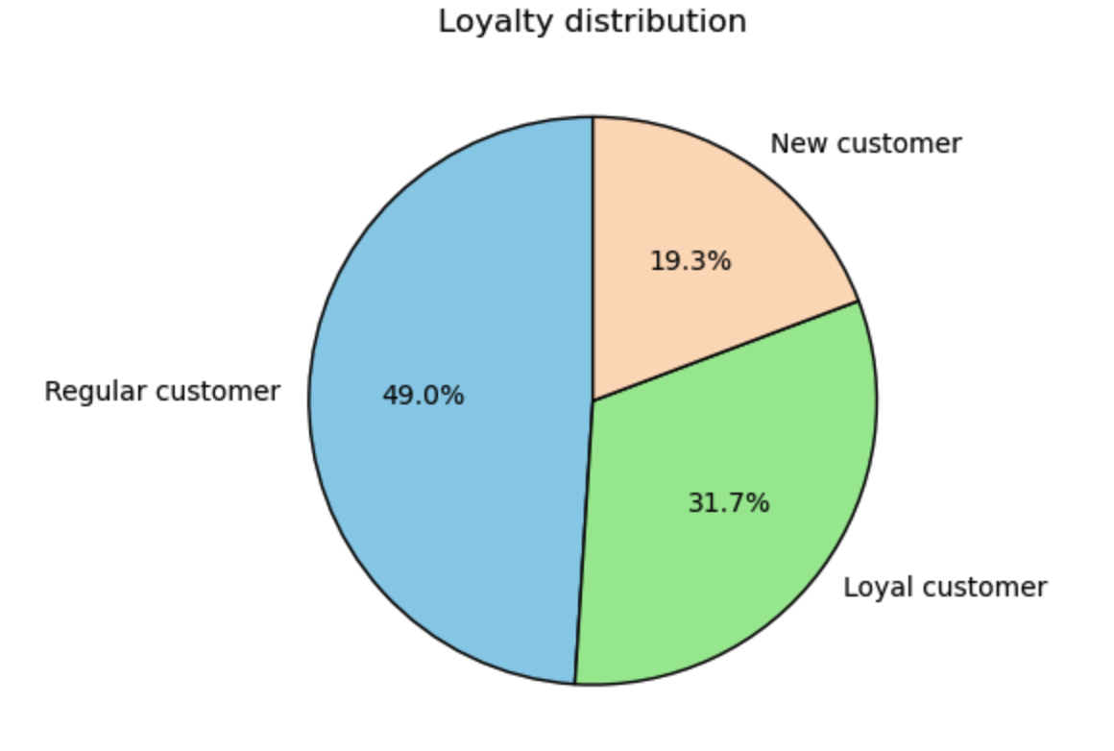 | Loyal customer are classified as customers that made more than 40 order and they make up 31.7% of our customers. | - Offer the regular customer discounts, promotions to peruse them to become loyal customers - Reward loyal customers with exclusive offers and store credits to show appreciation - Research further to see what the new customers are buying and what item they are looking for that my not be offer by our platform
Are there differences in ordering habits based on a customer’s loyalty status? | 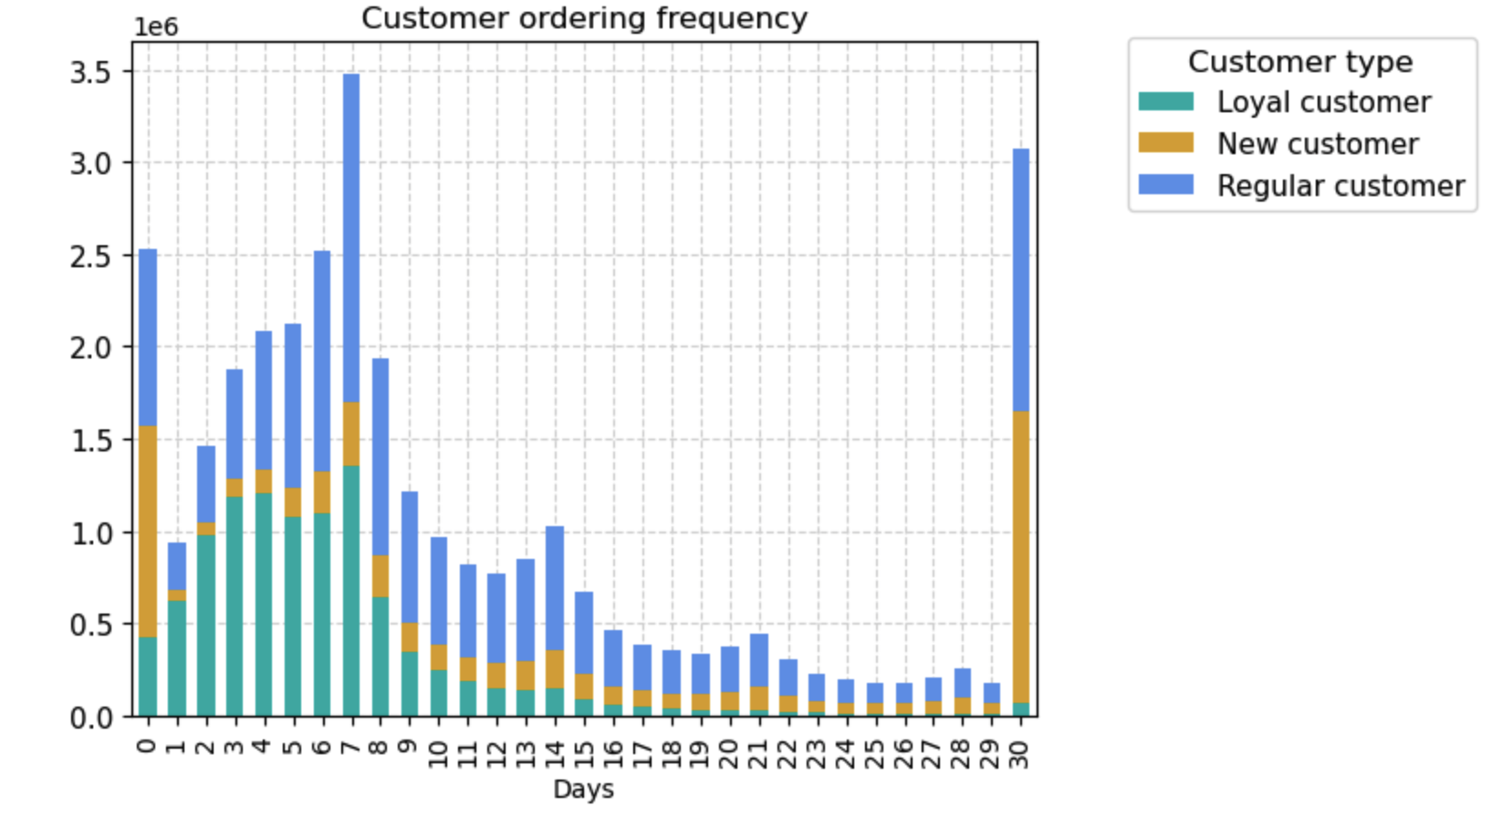 | All customer type have a similar ordering pattern. Most of them order every 7 days | - Research to see how we can have customers order more frequently. Maybe add items to the inventory that are used more.
Are there differences in ordering habits based on a customer’s region? | 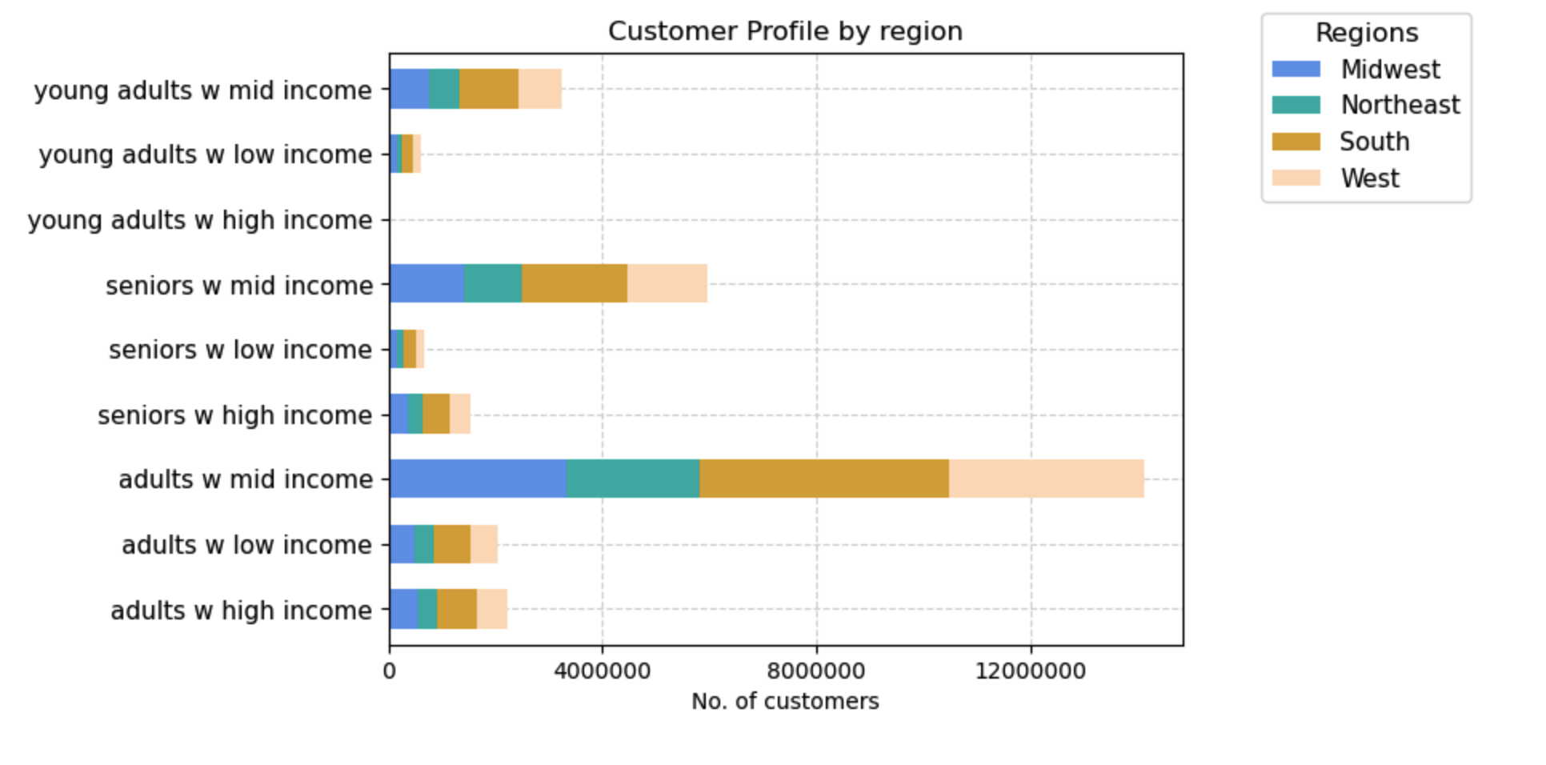 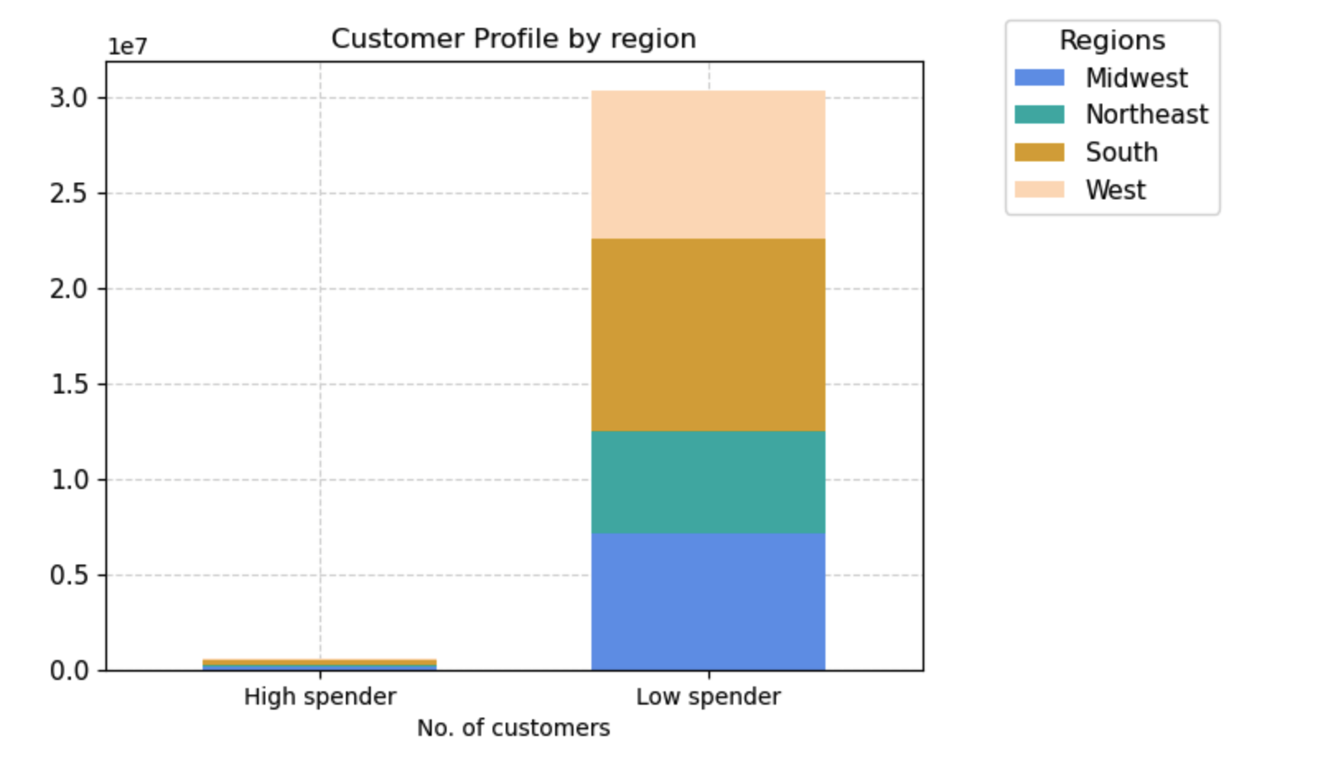 | - Low spenders are classified as customers spending less than $10 on average per item. They make up the majority. The south region has the most customers, followed by Midwest, west and northeast - Adults with mid level income ($50,000 - 150,000) make up 46% of our customers and a large portion of them are in the south region. | - Target northeast region to gain more customer base by utilizing add campaigns, offering delivery to more areas and partnering with local stores - Maintain and continue to grow presence in the other 3 regions to continue to gain more customers
Is there a connection between age and family status in terms of ordering habits? | 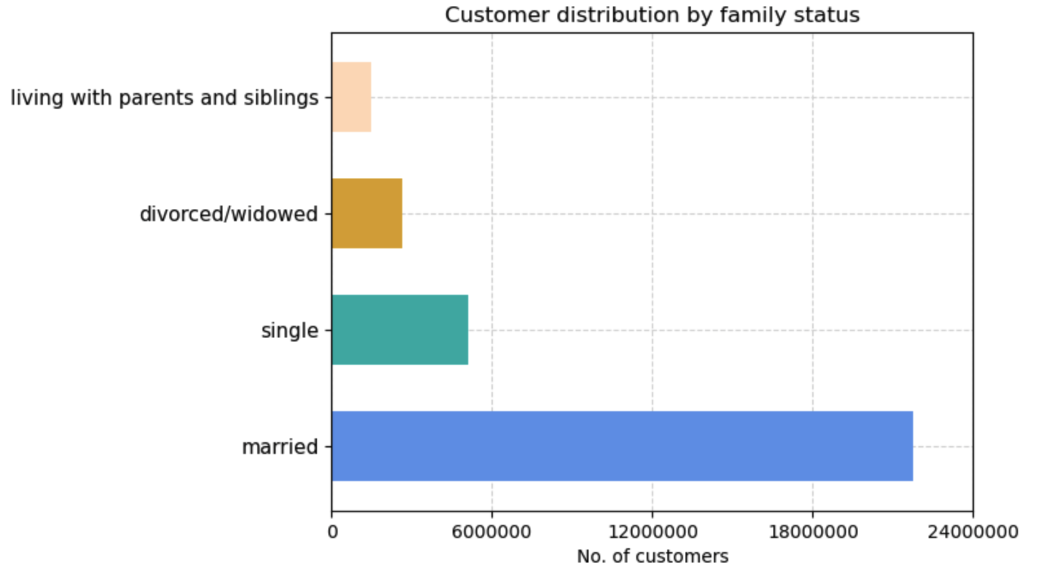 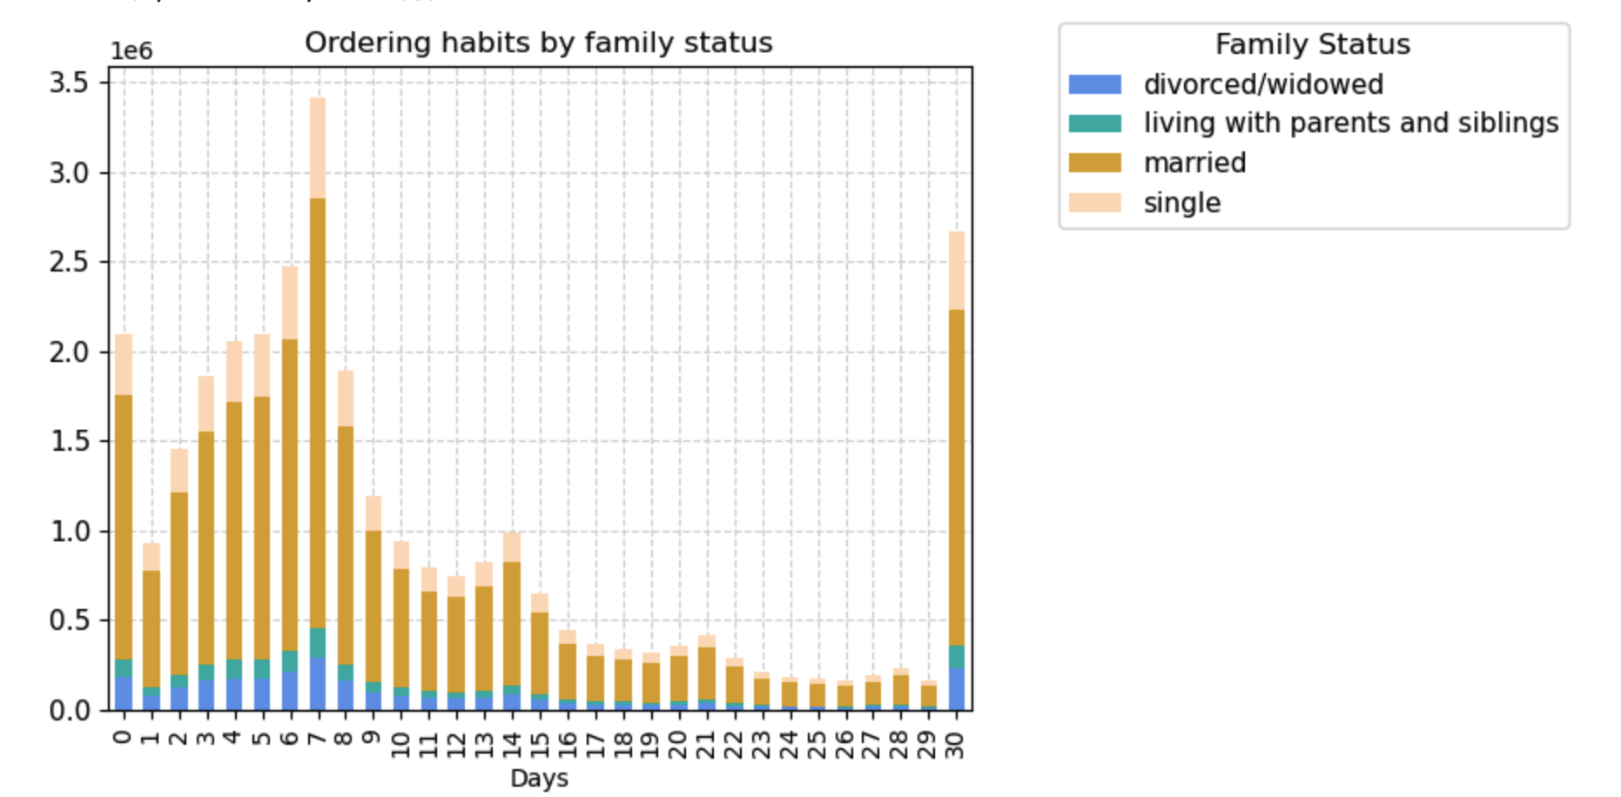 | There isn't a connection between family status and ordering habits. However, married customers are the majority and represent a large portion in ordering volume | - Focus on retaining middle-aged and senior customers as they are the most frequent shoppers. Offer loyalty programs, personalized discounts, and exceptional customer service to encourage their continued loyalty.
What different classifications does the demographic information suggest? Age? Income? Certain types of goods? Family status? | 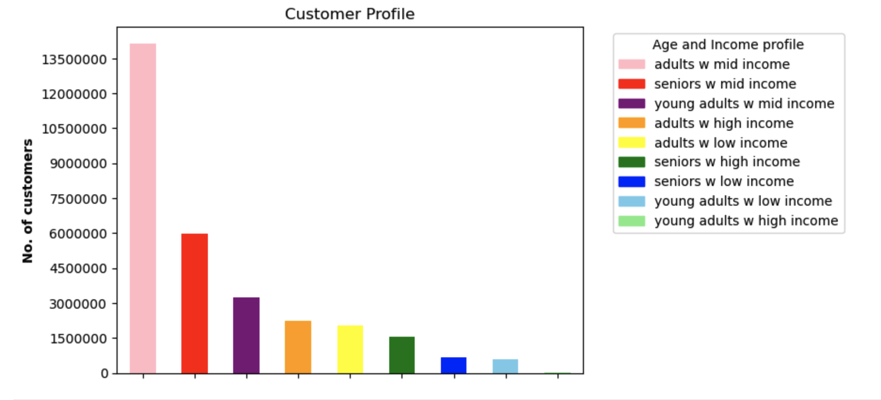 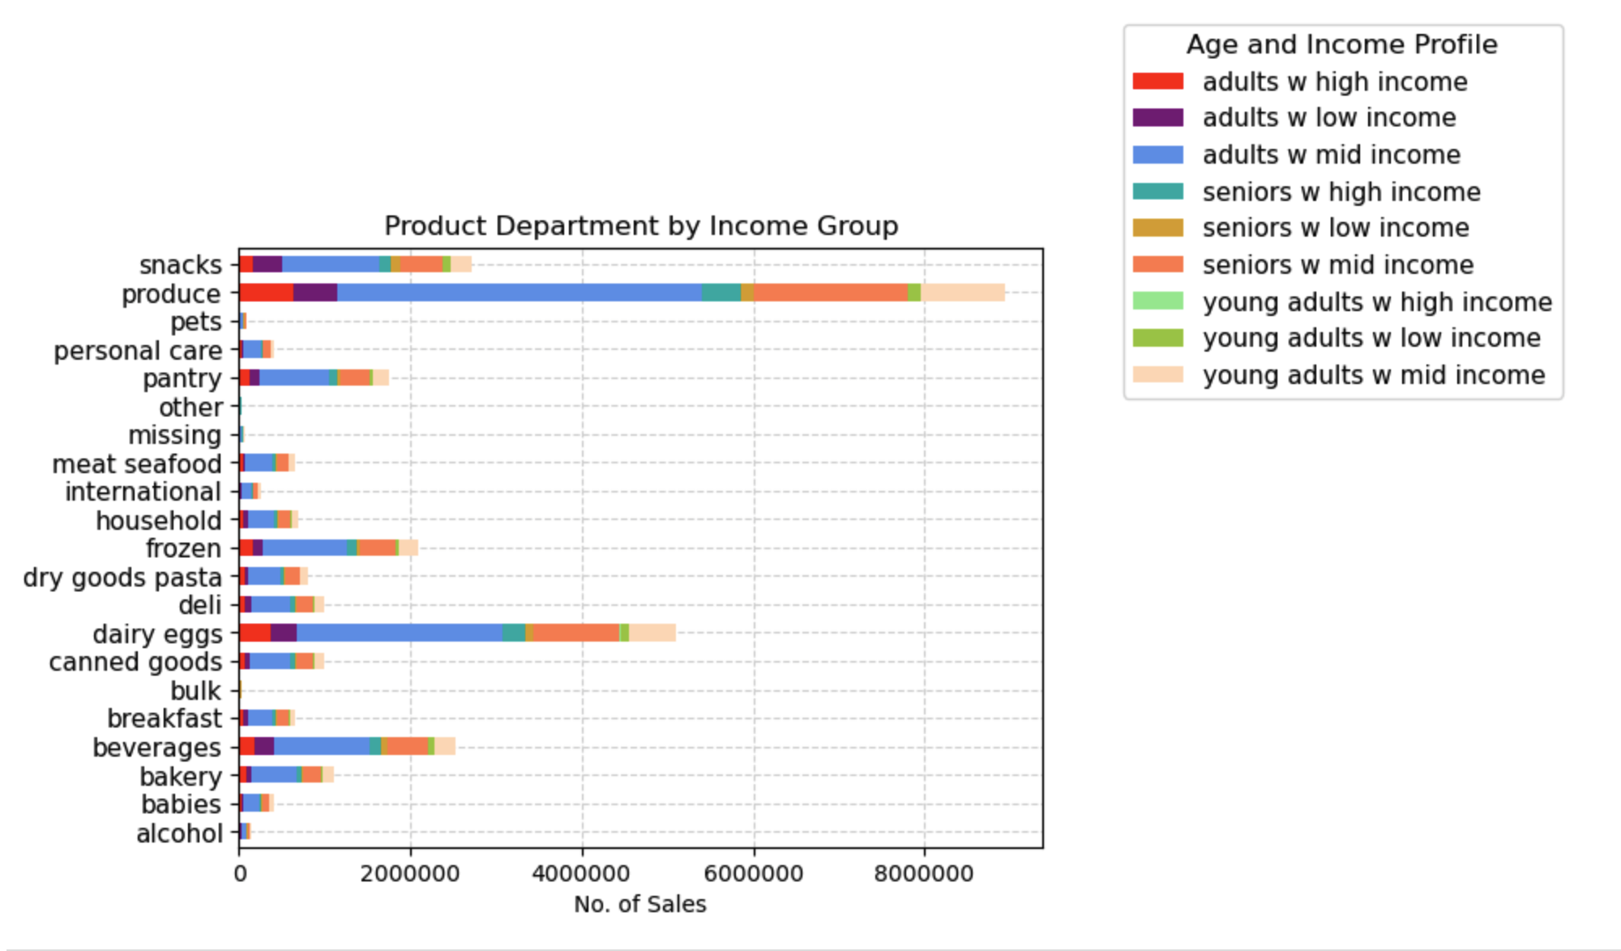 | - Adults aged (25-64) make up 80% of our customer base. They primarily shop for produce. - Income wise, adults earing $50k to 150k (mid income)are the majority followed by seniors with mid income | - Bulk category is one of the lowest sellers. Target customers with families and bring to their attention of these products. - Collect data on customers with pets if available and advertise pet products to them to bring sales up

